Introduction
 |  | Cyber Security Incident Response High-level Maturity Assessment Tool

Introduction

Overview

Many organisations are extremely concerned about potential and actual cyber security attacks, both on their own organisations and in ones similar to them. Dealing with cyber security incidents – particularly sophisticated cyber security attacks – can be a very difficult task, even for the most advanced organisations. Each organisation should therefore develop an appropriate cyber security incident response capability, which will enable them to adopt a systematic, structured approach to cyber security incident response.

Your cyber security incident response capability should consist of appropriately skilled people guided by well-designed, repeatable processes and effective use of relevant technologies that will enable you to conduct a thorough investigation and successfully eradicate adversaries who are deeply embedded in your environment.

However, many organisations do not know their state of readiness to be able to respond to a cyber security incident in a fast, effective manner. One of the best ways to help determine this is to measure the level of maturity of your cyber security incident response capability in terms of:

 | • People, process, technology and information
 | • Preparedness, response and follow up activities

This assessment tool provides a mechanism for carrying out an assessment of the level of maturity an organisation has for their cyber security incident response capability at a high level. It can be used to assess your state of readiness in being able to respond to a cyber security incident in a fast, effective and secure manner.

Note: There is also a Detailed Maturity Assessment Tool available, which allows an assessment to be made to determine the level of maturity of your cyber security incident response capability in depth.

Cyber Security Incident response process

This tool provides a high-level assessment against a maturity model that is based on the 15 steps within the 3 phase Cyber Security Incident response process presented in the CREST Cyber Security Incident Response Guide, as shown in the diagram below.

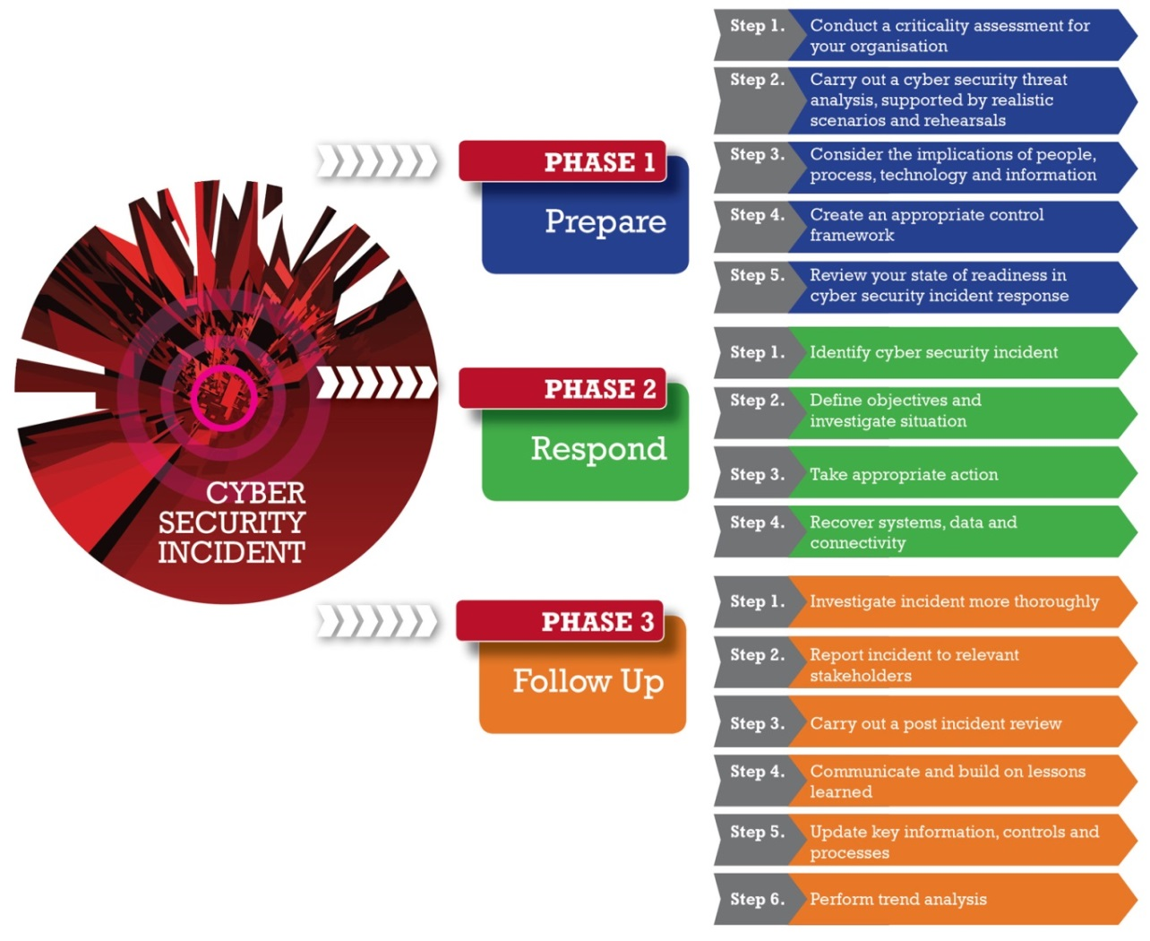

Instructions on how the tool works and how it can be used can be found on the Guidelines worksheet.

Acknowledgements

CREST would like to extend its special thanks to those CREST member organisations and third parties who took part in interviews, participated in the workshop and completed questionnaires.

Warning

This Guide has been produced with care and to the best of our ability. However, CREST accepts no responsibility for any problems or incidents arising from its use.

Credits

This tool has been developed for CREST by

© CREST 2014

Guidelines
 | Cyber Security Incident Response High-level Maturity Assessment Tool

Guidelines

Maturity model

To deal with a cyber security incident quickly and effectively you will need to build an appropriate cyber security incident response capability, the maturity of which can be assessed against an appropriate maturity model by using this assessment tool.

The maturity model used in this tool is based on a traditional, proven model shown below. This model can be used to determine the level of maturity of an organisation cyber security incident response capability, ranging from 1 (least effective) to 5 (most effective).

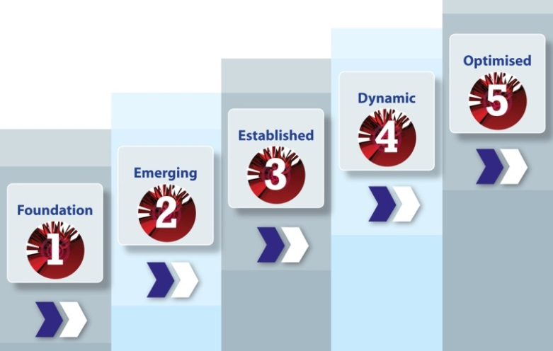

Different types of organisation will require different levels of maturity in cyber security incident response. For example, a small company operating in the retail business will not have the same requirement – or ability – to respond to cyber security incidents in the same way as a major corporate organisation in the finance sector – or a government department.

Consequently, the level of maturity your organisation has in cyber security incident response should be reviewed in context and compared to your actual requirements for such a capability. The maturity of your organisation can then be compared with other similar organisation to help determine if the level of maturity is appropriate.

Note: The maturity of the cyber security incident response capability can play a significant role in determining the level of third-party involvement required during a breach investigation and eradication event. Organisations with mature cyber security incident response capabilities may conduct most of their operations in-house, while those who are less mature may depend entirely on third parties.

How to use the tool

This tool allows an assessment to be made to determine the level of maturity of an organisations’ cyber security incident response capability at a high level. It is based on a simple selection of the level of maturity for each of the 15 steps.

A weighting factor can be set to give the results for particular steps more importance than others. The selected levels of maturity are then displayed graphically for each of the three phases and overall. Calculations are based on a carefully designed algorithm that takes account of both the level of maturity selected for each step and the step's given weighting.

Step 1 - Complete the details for the environment being assessed in the Profile and Scope worksheet using the text boxes and drop-down lists provided. The name entered for Name of Area of Assessment will automatically appear on the Results worksheet.

Step 2 - On the Configuration worksheet use the checkboxes next to each step to deselect any steps not appropriate to the assessment. Then use the first column of drop-down lists to select the target level of maturity required for each step. Any steps you feel warrant greater importance can be given a higher weighting using the second column of drop-down lists. Evidence required to support responses can be entered in the Evidence column.

Note: The weighting values set on the Configuration worksheet can be overriden on the Assessment worksheet. If you are configuring the tool for a respondent and do not want these weightings to be changed, use the Lock weighting and/or Hide weighting buttons as appropriate, and then hide the Configuration worksheet by right-clicking on the relevant tab at the bottom of this spreadsheet and choosing Hide.

Step 3 - Carry out the assessment by selecting the appropriate level of maturity within the assessed environment for each step using the drop-down lists on the Assessment worksheet. Any additional comments can be entered in the Comments column.

Step 4 - Review a summary of the results using the Results worksheet to gain a high level picture of the overall level of maturity for the environment assessed.

Note: You may wish to consider conducting a more in-depth assessment of one or more elements of your cyber security incident response capability by using the Detailed Maturity Assessment Tool.

Results
1.1 - Criticality assessment | #N/A |  |  | #N/A
1.2 - Threat analysis | #N/A |  |  | #N/A
1.3 - People, Process, Technology and Information | #N/A |  |  | #N/A
1.4 - Control environment | #N/A |  |  | #N/A
1.5 - Maturity assessment | #N/A |  |  | #N/A
2.1 - Identification |  | #N/A |  |  | #N/A
2.2 - Investigation |  | #N/A |  |  | #N/A
2.3 - Action |  | #N/A |  |  | #N/A
2.4 - Recovery |  | #N/A |  |  | #N/A
3.1 - Incident investigation |  |  | #N/A |  |  | #N/A
3.2 - Reporting |  |  | #N/A |  |  | #N/A
3.3 - Post incident review |  |  | #N/A |  |  | #N/A
3.4 - Lessons learned |  |  | #N/A |  |  | #N/A
3.5 - Updating |  |  | #N/A |  |  | #N/A
3.6 - Trend analysis |  |  | #N/A |  |  | #N/A
Aggregated maturity level results
Cyber Security Incident Response | Maturity level (1 to 5) | Target maturity (1 to 5)
CSIR - Overall
Phase 1 - Prepare
Step 1 - Criticality assessment
Step 2 - Threat analysis
Step 3 - People, Process, Technology and Information
Step 4 - Control environment
Step 5 - Maturity assessment
Phase 2 - Respond
Step 1 - Identification
Step 2 - Investigation
Step 3 - Action
Step 4 - Recovery
Phase 3 - Follow up
Step 1 - Incident investigation
Step 2 - Reporting
Step 3 - Post incident review
Step 4 - Lessons learned
Step 5 - Updating
Step 6 - Trend analysis

