Introduction
 |  | Cyber Security Incident Response Detailed Maturity Assessment Tool

Introduction

Overview

Many organisations are extremely concerned about potential and actual cyber security attacks, both on their own organisations and in ones similar to them. Dealing with cyber security incidents – particularly sophisticated cyber security attacks – can be a very difficult task, even for the most advanced organisations. Your organisation should therefore develop an appropriate cyber security incident response capability, which will enable you to adopt a systematic, structured approach to cyber security incident response.

Your cyber security incident response capability should consist of appropriately skilled people guided by well-designed, repeatable processes and effective use of relevant technologies that will enable you to conduct a thorough investigation and successfully eradicate adversaries who are deeply embedded in your environment.

However, many organisations do not know their state of readiness to be able to respond to a cyber security incident in a fast, effective manner. One of the best ways to help determine this is to measure the level of maturity of your cyber security incident response capability in terms of:

 | • People, process, technology and information
 | • Preparedness, response and follow up activities

This assessment tool provides a mechanism for carrying out an assessment of the level of maturity an organisation has for their cyber security incident response capability at a detailed level. It can be used to assess your state of readiness in being able to respond to a cyber security incident in a fast, effective and secure manner.

Note: There is also a High-level Maturity Assessment Tool available, which allows an assessment to be made to determine the level of maturity of your cyber security incident response capability at a high level, based on a simple selection of the level of maturity for each of the 15 steps.

Cyber Security Incident response process

This tool provides an assessment against a maturity model that is based on the 15 steps within the 3 phase Cyber Security Incident response process presented in the CREST Cyber Security Incident Response Guide, as shown in the diagram below.

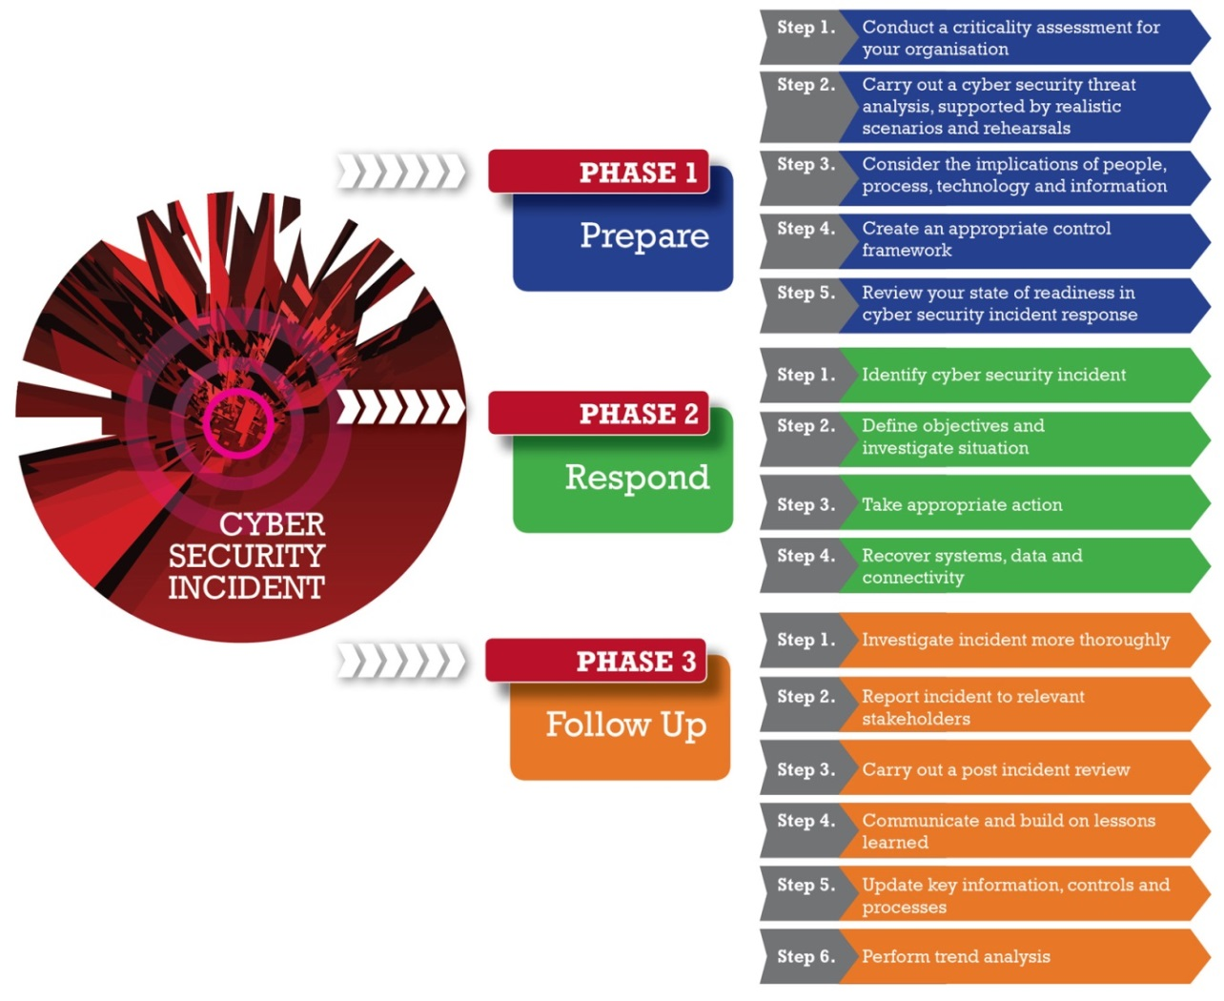

Instructions on how the tool works and how it can be used can be found on the Guidelines worksheet.

Acknowledgements

CREST would like to extend its special thanks to those CREST member organisations and third parties who took part in interviews, participated in the workshop or completed questionnaires.

Warning

This Guide has been produced with care and to the best of our ability. However, CREST accepts no responsibility for any problems or incidents arising from its use.

Credits

This tool has been developed for CREST by

© CREST 2014

Guidelines
 | Cyber Security Incident Response Detailed Maturity Assessment Tool

Guidelines

Maturity model

To deal with a cyber security incident quickly and effectively you will need to build an appropriate cyber security incident response capability, the maturity of which can be assessed against an appropriate maturity model by using this assessment tool.

The maturity model used in this tool is based on a traditional, proven model shown below. This model can be used to determine the level of maturity of an organisation cyber security incident response capability, ranging from 1 (least effective) to 5 (most effective).

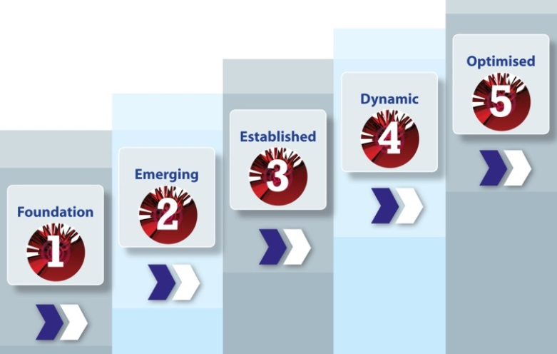

Different types of organisation will require different levels of maturity in cyber security incident response. For example, a small company operating in the retail business will not have the same requirement – or ability – to respond to cyber security incidents in the same way as a major corporate organisation in the finance sector – or a government department.

Consequently, the level of maturity your organisation has in cyber security incident response should be reviewed in context and compared to your actual requirements for such a capability. The maturity of your organisation can then be compared with other similar organisation to help determine if the level of maturity is appropriate.

Note: The maturity of the cyber security incident response capability can play a significant role in determining the level of third-party involvement required during a breach investigation and eradication event. Organisations with mature cyber security incident response capabilities may conduct most of their operations in-house, while those who are less mature may depend entirely on third parties.

How to use the tool

This tool enables a detailed assessment to be made about the level of maturity of your cyber security incident response capability, based on the response given to a series of detailed questions associated with each of the 15 steps.

A weighting factor can be set to give the results to particular questions more importance than others. The answers to the questions are then used by the tool to generate the relevant levels of maturity for each of the steps, based on a carefully designed algorithm that takes account of both the level of response to each question and the question's given weighting.

Step 1 - Complete the details for the environment being assessed in the Profile and Scope worksheet using the text boxes and drop-down lists provided. The name entered for Name of Area of Assessment will automatically appear on the four Results worksheets.

Step 2 - Select the target level of maturity required for the environment being assessed (Basic, Important or Critical) by clicking on the appropriate option button in the Targets worksheet. One of four target profiles can be chosen, and the associated maturity level for each step can be modified by editing the values in the right-hand table. The default profile is Basic.

Note: You can assign greater importance to the results of particular questions by modifying their weighting factors using the drop-down lists on the Weightings worksheet. However, the default settings for each weighting factor have been carefully pre-assigned by CREST, so typically these would not need to be changed.

Step 3 - Carry out the assessment for each of the three phases by answering the questions in the corresponding Assessment worksheets. Details of any supporting evidence for your responses should be documented in the Evidence supplied column and any additional comments recorded in the Comments column.

Step 4 - Review a summary of the results using the Aggregated Results worksheet to gain a high level picture of the overall level of maturity for the environment assessed.

Step 5 - Investigate results at a detailed level by using the appropriate Results worksheet to understand the level of maturity for particular topics or questions.

Aggregated Results
1.1 - Criticality assessment | 2 |  |  | 1
1.2 - Threat analysis | 2 |  |  | 1
1.3 - People, Process, Technology and Information | 2 |  |  | 1
1.4 - Control environment | 2 |  |  | 1
1.5 - Maturity assessment | 2 |  |  | 1
2.1 - Identification |  | 2 |  |  | 1
2.2 - Investigation |  | 2 |  |  | 1
2.3 - Action |  | 2 |  |  | 1
2.4 - Recovery |  | 2 |  |  | 1
3.1 - Incident investigation |  |  | 2 |  |  | 1
3.2 - Reporting |  |  | 2 |  |  | 1
3.3 - Post incident review |  |  | 2 |  |  | 1
3.4 - Lessons learned |  |  | 2 |  |  | 1
3.5 - Updating |  |  | 2 |  |  | 1
3.6 - Trend analysis |  |  | 2 |  |  | 1
Aggregated maturity level results
Cyber Security Incident Response | Maturity level (1 to 5) |  | Target maturity (1 to 5)
Phase 1 - Prepare
Step 1 - Criticality assessment |  | 1 |  | 2
Step 2 - Threat analysis |  | 1 |  | 2
Step 3 - People, Process, Technology and Information |  | 1 |  | 2
Step 4 - Control environment |  | 1 |  | 2
Step 5 - Maturity assessment |  | 1 |  | 2
Phase 2 - Respond
Step 1 - Identification |  | 1 |  | 2
Step 2 - Investigation |  | 1 |  | 2
Step 3 - Action |  | 1 |  | 2
Step 4 - Recovery |  | 1 |  | 2
Phase 3 - Follow up
Step 1 - Incident investigation |  | 1 |  | 2
Step 2 - Reporting |  | 1 |  | 2
Step 3 - Post incident review |  | 1 |  | 2
Step 4 - Lessons learned |  | 1 |  | 2
Step 5 - Updating |  | 1 |  | 2
Step 6 - Trend analysis |  | 1 |  | 2

