Introduction
 |  | Penetration Testing Management Maturity Assessment Tool

Introduction

Overview

Many organisations are extremely concerned about potential and actual cyber security attacks, both on their own organisations and in ones similar to them. Many of these attacks exploit weaknesses in an organisations applications and underlying infrastructure. To help identify these vulnerabilities effectively - and address them effectively - many organisations carry out penetration testing. However, establishing and managing a penetration testing programme can be a very difficult task, even for the most advanced organisations. Each organisation should therefore develop an appropriate penetration testing programme which will enable them to adopt a systematic, structured approach to undertaking penetration testing.

Your penetration testing programme should consist of appropriately skilled people guided by well-designed, repeatable programmes and effective use of relevant technologies that will enable you to conduct thorough penetration tests, successfully identifying and addressing vulnerabilities - and to prevent new ones from occurring.

Many organisations do not know how effective their penetration testing programme is in practice. One of the best ways to help determine the effectiveness of your programme is to measure the level of maturity of your penetration testing programme in terms of:

 | • People, programme, technology and information
 | • Requirements, testing and follow up

This assessment tool (which does not use macros) provides a mechanism for carrying out an assessment of the level of maturity an organisation has for their penetration testing programme at a high level. It can be used to assess the effectiveness of your penetration testing programme.

Note: There two other Penetration Testing Maturity Assessment Tools available, which are the:

 | • Intermediate assessment tool (no macros), which allows an assessment to be made to determine the level of maturity of your penetration testing programme in more depth.
 | • Detailed assessment tool (no macros), which allows a more detailed assessment to be made to determine the level of maturity of your penetration testing programme at a detailed level.
Penetration testing programme

The assessment tool has been developed in conjunction with representatives from a broad range of organisations, including industry bodies, consumer organisations, the UK government and suppliers of expert technical security services. It provides you with an assessment against a maturity model that is based on the 15 steps within the 3 phase penetration testing management programme presented in the CREST Penetration Testing Management Guide, as shown in the diagram below.

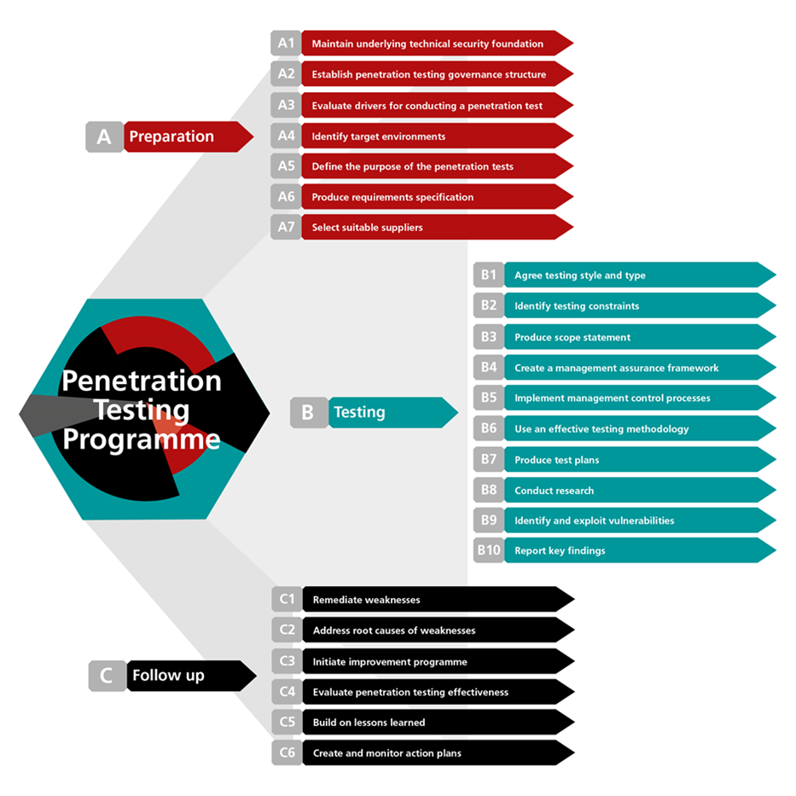

Instructions on how the tool works and how it can be used can be found on the Guidelines worksheet.

Note: The penetration testing maturity assessment tool is one of a series of assessment tools developed by CREST, which include high level and detailed Cyber Security Incident Response Assessment Tools.
Acknowledgements

CREST would like to extend its special thanks to those CREST member organisations and third parties who took part in interviews, participated in the workshop and completed questionnaires.

Warning

This Guide has been produced with care and to the best of our ability. However, CREST accepts no responsibility for any problems or incidents arising from its use.

Credits

This tool has been developed for CREST by

© CREST 2016

Guidelines
 | Penetration Testing Management Maturity Assessment Tool

Guidelines

Maturity model

To carry out penetration testing effectively you will need to build an appropriate penetration testing programme the maturity of which can be assessed against an appropriate maturity model by using this assessment tool.

The maturity model used in this tool is based on a traditional, proven model shown below. This model can be used to determine the level of maturity of your penetration testing programme, ranging from 1 (least effective) to 5 (most effective).

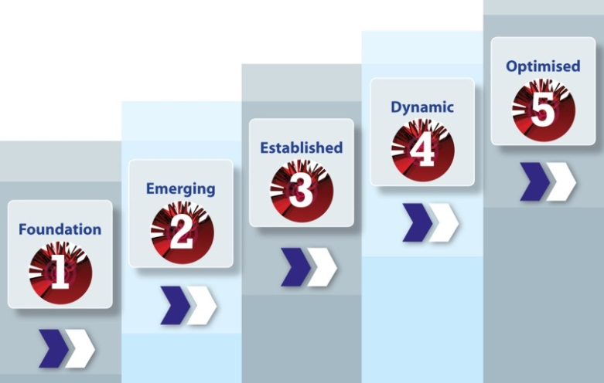

Different types of organisation will require different levels of maturity for their penetration testing programme. For example, a small company operating in the retail business will not have the same requirement – or ability – to carry out penetration tests in the same way as a major corporate organisation in the finance sector – or a government department.

Consequently, the level of maturity your organisation has in penetration testing should be reviewed in context and compared to your actual requirements for such a capability. The maturity of your organisation can then be compared with other similar organisation to help determine if the level of maturity is appropriate.

Note: The maturity of the penetration testing programme can play a significant role in determining the level of third-party involvement required to conduct independent penetration testing. Organisations with a mature penetration testing programme may manage most of their operations in-house, while those who are less mature may depend entirely on third parties.

How to use the tool

This tool allows an assessment to be made to determine the level of maturity of an organisations’ penetration testing programme at a high level. It is based on a simple selection of the level of maturity for each of the 15 steps in the three stages of the programme, aggregating results accordingly.

A weighting factor can be set to give the results for particular steps more importance than others. The selected levels of maturity are then displayed graphically for each of the three phases and overall. Calculations are based on a carefully designed algorithm that takes account of both the level of maturity selected for each step and the step's given weighting.

Step 1 - Complete the details for the environment being assessed in the Profile and Scope worksheet using the text boxes and drop-down lists provided. The name entered for Target of Assessment will automatically appear on the Results worksheets.

Step 2 - On the Targets Worksheet, select the target level required for this assessment by pressing the radar button next to any of the six options available, which are: Introductory - which sets a target of 2 out of 5 across the board Standard - which sets a target of 2 out of 5 across the board Important - which sets a target of 3 out of 5 across the board Very important - which sets a target of 4 out of 5 across the board Critical - which sets a target of 5 out of 5 across the board Custom - which allows you to overwrite any of the individual settings in the Custom column on the far right. These target ratings will show up in all the Results worksheets allowing you to compare actual performance against targets.

Step 3 - On the Assessment worksheets use the checkboxes next to each step to deselect any steps not appropriate to the assessment. Then use the first column of drop-down lists to select the target level of maturity required for each step. Evidence required to support responses can be entered in the Evidence column.

Step 4 - Carry out the assessment by selecting the appropriate level of maturity within the assessed environment for each step using the drop-down lists on the 3 Assessment worksheets, together with any supporting evidence. Any additional comments can be entered in the Comments column.

Step 5 - Review a summary of the results using the Aggregated Results worksheet to gain a high level picture of the overall level of maturity for the environment assessed.

Aggregated Results
A.1 - Maintain a technical security assurance framework | 2 |  |  | 1 |  |  | 4.00
A.2 - Establish a penetration testing governance structure | 2 |  |  | 1 |  |  | 3.00
A.3 - Evaluate drivers for conducting penetration tests | 2 |  |  | 1 |  |  | 2.00
A.4 - Identify target environments | 2 |  |  | 1 |  |  | 3.00
A.5 - Define the purpose of the penetration tests | 2 |  |  | 1 |  |  | 2.00
A.6 - Produce requirements specifications | 2 |  |  | 1 |  |  | 4.00
A.7 - Select suitable suppliers | 2 |  |  | 1 |  |  | 3.00
B.1 - Agree testing style and type |  | 2 |  |  | 1 |  |  | 4
B.2 - Identify testing constraints |  | 2 |  |  | 1 |  |  | 4
B.3 - Produce scope statements |  | 2 |  |  | 1 |  |  | 4
B.4 - Establish a management assurance framework |  | 2 |  |  | 1 |  |  | 3
B.5 - Implement management control processes |  | 2 |  |  | 1 |  |  | 3
B.6 - Use an effective testing methodology |  | 2 |  |  | 1 |  |  | 4
B.7 - Conduct sufficient research and planning |  | 2 |  |  | 1 |  |  | 5
B.8 - Identify and exploit vulnerabilities |  | 2 |  |  | 1 |  |  | 4
B.9 - Report key findings |  | 2 |  |  | 1 |  |  | 4
C.1 - Remediate weaknesses |  |  | 2 |  |  | 1 |  |  | 2
C.2 - Address root causes of weaknesses |  |  | 2 |  |  | 1 |  |  | 2
C.3 - Initiate improvement programme |  |  | 2 |  |  | 1 |  |  | 3
C.4 - Evaluate penetration testing effectiveness |  |  | 2 |  |  | 1 |  |  | 3
C.5 - Build on lessons learned |  |  | 2 |  |  | 1 |  |  | 2
C.6 - Create and monitor action plans |  |  | 2 |  |  | 1 |  |  | 3
Aggregated maturity levels
 | Maturity level (1 to 5) |  | Target maturity (1 to 5) |  | Benchmark Rating
Stage A - Preparation | Maturity level: Level 1 |  |  |  |  | TRUE | TRUE | TRUE
Step 1 - Maintain a technical security assurance framework |  | 1 |  | 2 | 4
Step 2 - Establish a penetration testing governance structure |  | 1 |  | 2 | 3
Step 3 - Evaluate drivers for conducting penetration tests |  | 1 |  | 2 | 2
Step 4 - Identify target environments |  | 1 |  | 2 | 3
Step 5 - Define the purpose of the penetration tests |  | 1 |  | 2 | 2
Step 6 - Produce requirements specifications |  | 1 |  | 2 | 4
Step 7 - Select suitable suppliers |  | 1 |  | 2 | 3
Stage B - Testing | Maturity level: Level 1
Step 1 - Agree testing style and type |  | 1 |  | 2 | 4
Step 2 - Identify testing constraints |  | 1 |  | 2 | 4
Step 3 - Produce scope statements |  | 1 |  | 2 | 4
Step 4 - Establish a management assurance framework |  | 1 |  | 2 | 3
Step 5 - Implement management control processes |  | 1 |  | 2 | 3
Step 6 - Use an effective testing methodology |  | 1 |  | 2 | 4
Step 7 - Conduct sufficient research and planning |  | 1 |  | 2 | 5
Step 8 - Identify and exploit vulnerabilities |  | 1 |  | 2 | 4
Step 9 - Report key findings |  | 1 |  | 2 | 4
Stage C - Follow up | Maturity level: Level 1
Step 1 - Remediate weaknesses |  | 1 |  | 2 | 2
Step 2 - Address root causes of weaknesses |  | 1 |  | 2 | 2
Step 3 - Initiate improvement programme |  | 1 |  | 2 | 3
Step 4 - Evaluate penetration testing effectiveness |  | 1 |  | 2 | 3
Step 5 - Build on lessons learned |  | 1 |  | 2 | 2
Step 6 - Create and monitor action plans |  | 1 |  | 2 | 3

