Introduction
 |  | Cyber Threat Intelligence Maturity Assessment Tool

Introduction

Overview

Many organisations are extremely concerned about potential and actual cyber security attacks, both on their own organisations and in ones similar to them. One of the most important elements of any security function is the ability to predict and prepare for potential attacks. To understand who is likely to target them, how they will be targeted, what the attack will look like and what the attackers will be targeting. All of these elements, when conducted properly can have a significant effect on the organisations ability to then detect and respond to the attacks. Each organisation should therefore develop an appropriate Threat Intelligence program which will enable them to adopt a systematic, structured approach to undertaking Intelligence.

Your CTI programme should consist of appropriately skilled people guided by well-designed, repeatable processes with effective use of relevant technologies that will enable you to conduct continuous and effective analysis. Intelligence should be seen as a specialist role and function when appropriately experienced and skilled persons are employed.

Many organisations do not know how effective their CTI programme is in practice. One of the best ways to help determine the effectiveness of your programme is to measure the level of maturity of your programme in terms of:

 | • People, processes and technology
 | • Requirements mapping and intelligence customer review

This assessment tool (which does not use macros) provides a mechanism for carrying out an assessment of the level of maturity an organisation has Cyber Threat Intelligence at a high level.

Note: There are two other CTI Maturity Assessment Tools which will soon be available: This Maturity Assessment is the 'Detailed' version and thus the most in depth. Currently being produced is the 'intermediate' and 'summary' versions, which will be lighter and less in depth versions of this document.

CTI Process

The assessment tool has been developed in conjunction with representatives from a broad range of organisations, including industry bodies, and suppliers of expert technical security services. It provides you with an assessment against a maturity model that is based on the 18 steps within the 4 phase CTI capability program presented in the CREST CTI Management Guide, as shown in the diagram below.

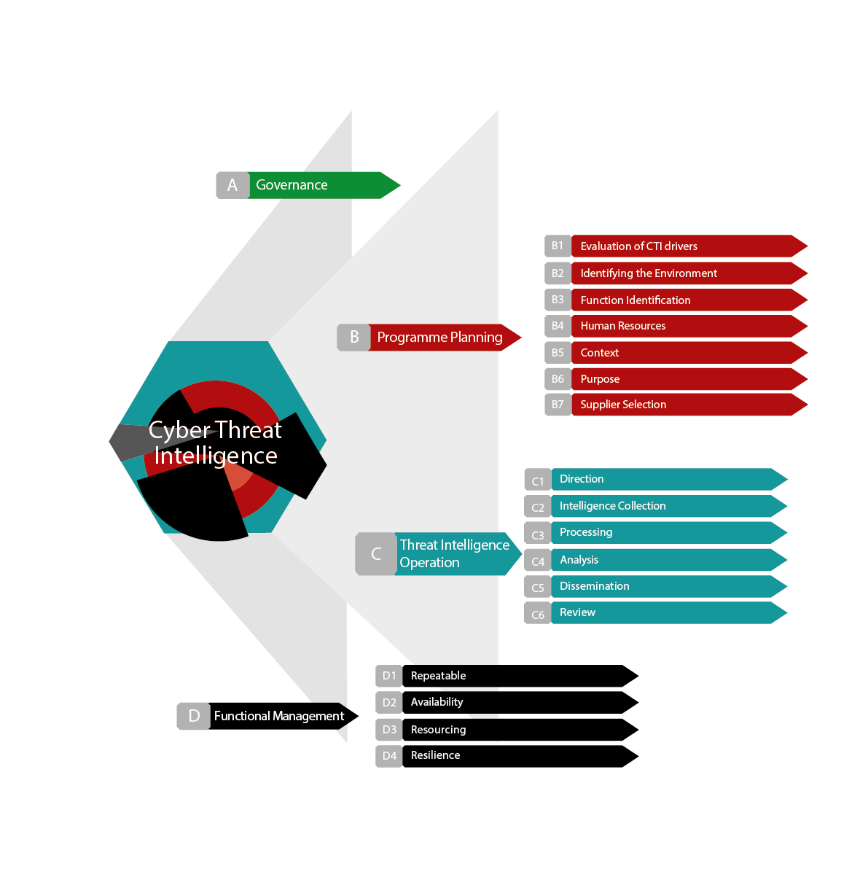

Instructions on how the tool works and how it can be used can be found on the Guidelines worksheet.

Note: The CTI maturity assessment tool is one of a series of assessment tools developed by CREST, which include high level and detailed Cyber Security Incident Response Assessment Tools and Penetration Testing.
Acknowledgements

CREST would like to extend its special thanks to those CTIPS member organisations and third parties who took part in interviews, participated in the workshop and completed questionnaires.

Warning

This Guide has been produced with care and to the best of our ability. However, CREST accepts no responsibility for any problems or incidents arising from its use.

Credits

This tool has been developed for CREST by

© CREST 2021

Guidelines
 | Cyber Threat Intelligence Maturity Assessment Tool

Guidelines

Maturity model

To an effective CTI capability you will need to build an appropriate CTI programme, the maturity of which can be assessed against an appropriate maturity model by using this assessment tool.

The maturity model used in this tool is based on a traditional, proven model shown below. This model can be used to determine the level of maturity of your CTI programme, ranging from 1 (least effective) to 5 (most effective).

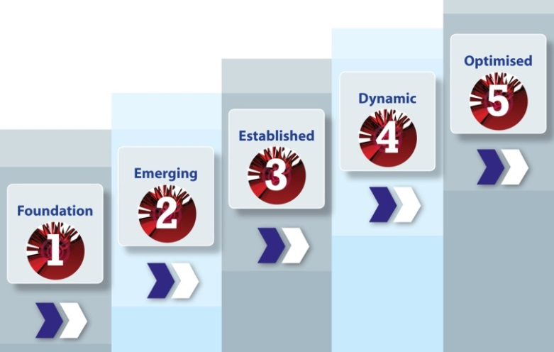

Different types of organisation will require different levels of maturity for their CTI programme. For example, a small company operating in the retail business will not have the same requirement – or ability – to carry out CTI in the same way as a major corporate organisation in the finance sector – or a government department.

Consequently, the level of maturity your organisation has in CTI should be reviewed in context and compared to your actual requirements for such a capability. The maturity of your organisation can then be compared with other similar organisation to help determine if the level of maturity is appropriate.

Note: The maturity of the CTI programme can play a significant role in determining the level of third-party involvement in supplying additional services. Organisations with a mature CTI programme may manage most of their operations in-house, while those who are less mature may depend entirely on third parties.

How to use the tool

This tool allows an assessment to be made to determine the level of maturity of an organisations’ CTI programme at a high level. It is based on a simple selection of the level of maturity for each of the 18 steps in the three stages of the programme, aggregating results accordingly.

A weighting factor can be set to give the results for particular steps more importance than others. The selected levels of maturity are then displayed graphically for each of the three phases and overall. Calculations are based on a carefully designed algorithm that takes account of both the level of maturity selected for each step and the step's given weighting.

Step 1 - Complete the details for the environment being assessed in the Profile and Scope worksheet using the text boxes and drop-down lists provided. The name entered for Target of Assessment will automatically appear on the Results worksheets.

Step 2 - On the Targets Worksheet, select the target level required for this assessment by pressing the radar button next to any of the six options available, which are: Introductory - which sets a target of 2 out of 5 across the board Standard - which sets a target of 2 out of 5 across the board Important - which sets a target of 3 out of 5 across the board Very important - which sets a target of 4 out of 5 across the board Critical - which sets a target of 5 out of 5 across the board Custom - which allows you to overwrite any of the individual settings in the Custom column on the far right. These target ratings will show up in all the Results worksheets allowing you to compare actual performance against targets.

Step 3 - On the Weightings worksheets use the drop-down lists to select the weighting placed on each step of maturity required for each step. Evidence required to support responses can be entered in the Evidence column.

Step 4 - Carry out the assessment by selecting the appropriate level of maturity within the assessed environment for each step using the drop-down lists on the 3 Assessment worksheets, together with any supporting evidence. Any additional comments can be entered in the Comments column.

Step 5 - Review a summary of the results using the Aggregated Results worksheet to gain a high level picture of the overall level of maturity for the environment assessed.

Aggregated Results
 |  |  | Series11
A.1 - Governance | 1.6 | 0 | 3.00
B.1 - Evaluation of CTI drivers | 1.6 | 0 | 3.00
B.2 - Identifying the environment | 1.6 | 0 | 3.00
B.3 - Function Identification | 1.6 | 0 | 3.00
B.4 - Human Resources | 1.6 | 0 | 3.00
B.5 - Context | 1.6 | 0 | 3.00
B.6 - Purpose | 1.6 | 0 | 3.00
B.7 - Supplier Selection | 1.6 | 0 | 3.00
C.1 - Direction | 1.6 | 0 | 3.00
C.2 - Intelligence Collection | 1.6 | 0 | 3.00
C.3 - Processing | 1.6 | 0 | 3.00
C.4 - Analysis | 1.6 | 0 | 3.00
C.5 - Dissemination | 1.6 | 0 | 3.00
C.6 - Review | 1.6 | 0 | 3.00
D.1 - Repeatable | 1.6 | 0 | 3.00
D.2 - Availability | 1.6 | 0 | 3.00
D.3 - Resources | 1.6 | 0 | 3.00
D.4 - Resilience | 1.6 | 0 | 3.00
 |  | Aggregated maturity levels
 | Cyber Security Incident Response |  | Maturity level (1 to 5) |  | Target maturity (1 to 5) |  | Benchmark Rating
A | Governance | Stage A - Governance | Maturity level: Level 0 |  | Maturity rating: 0.00 |  |  | TRUE | TRUE | TRUE
A.1 | Governance | Step 1 - Governance |  | 0.0 |  | 2 | 3
B | Program Planning & Requirements | Stage B - Program Planning & Requirements | Maturity level: Level 0 |  | Maturity rating: 0.00
B.1 | Evaluation of CTI drivers | Step 1 - Evaluation of CTI drivers |  | 0.0 |  | 2 | 3
B.2 | Identifying the environment | Step 2 - Identifying the environment |  | 0.0 |  | 2 | 3
B.3 | Function Identification | Step 3 - Function Identification |  | 0.0 |  | 2 | 3
B.4 | Human Resources | Step 4 - Human Resources |  | 0.0 |  | 2 | 3
B.5 | Context | Step 5 - Context |  | 0.0 |  | 2 | 3
B.6 | Purpose | Step 6 - Purpose |  | 0.0 |  | 2 | 3
B.7 | Supplier Selection | Step 7 - Supplier Selection |  | 0.0 |  | 2 | 3
C | Threat Intelligence Operation | Stage C - Threat Intelligence Operation | Maturity level: Level 0 |  | Maturity rating: 0.00
C.1 | Direction | Step 1 - Direction |  | 0.0 |  | 2 | 3
C.2 | Intelligence Collection | Step 2 - Intelligence Collection |  | 0.0 |  | 2 | 3
C.3 | Processing | Step 3 - Processing |  | 0.0 |  | 2 | 3
C.4 | Analysis | Step 4 - Analysis |  | 0.0 |  | 2 | 3
C.5 | Dissemination | Step 5 - Dissemination |  | 0.0 |  | 2 | 3
C.6 | Review | Step 6 - Review |  | 0.0 |  | 2 | 3
D | Functional Management | Stage D - Functional Management | Maturity level: Level 0 |  | Maturity rating: 0.00
D.1 | Repeatable | Step 1 - Repeatable |  | 0.0 |  | 2 | 3
D.2 | Availability | Step 2 - Availability |  | 0.0 |  | 2 | 3
D.3 | Resources | Step 3 - Resources |  | 0.0 |  | 2 | 3
D.4 | Resilience | Step 4 - Resilience |  | 0.0 |  | 2 | 3

